Sheet1
1. What are the various elements of the Excel interface? Describe how they're used. - * Menu Bar : This contain a File, Insert, Page Layout, Formulas, Data, Review, View, Help, etc. * Title Bar : The title bar of the spreadsheet is at the top of the window. It displays the active document's name. * Ribbon Bar : Each menu bar contains different elements. For example, if we select the "Home" tab, we will see cut, copy, paste and more commands. * Formula Bar : Inside the Formula bar we can insert or edit the information/formula entered in the active cell. * File Tab : We can click it to check the Backstage view, where we can open or save files, create new sheets, print sheets, and perform other file-related operations. * Cells : Cells are those parallelepipeds that divide the spreadsheet into many pieces, separating rows and columns. * Quick Access Toolbar : This is located in the upper left corner of the screen. It shows the most frequently used Excel commands.To save the file, undo and redo. * Leaf Bar : It present at the bottom of the spreadsheet, Using this we can alternate a number of sheets or add a new one as per our convenience. * Column Bar : Columns are a vertically ordered series of boxes across the full sheet. Which Begin with the letter A to Z. The number of columns that can be used is limited to 16,384. * Row Bar Cells : The row bar is the left part of the sheet where a sequence of numbers is expressed. Begin with number one (1), and further rows will be added as we move the pointer down. There are a total of 1,048,576 rows available.
2. Write down the various applications of Excel in the industry. - General Applications, Business Applications, and Custom Developed Applications.
3. On the ribbon, make a new tab. Add some different groups, insert commands in the groups and name them according to their commands added. Copy and paste the screenshot of the steps you followed.
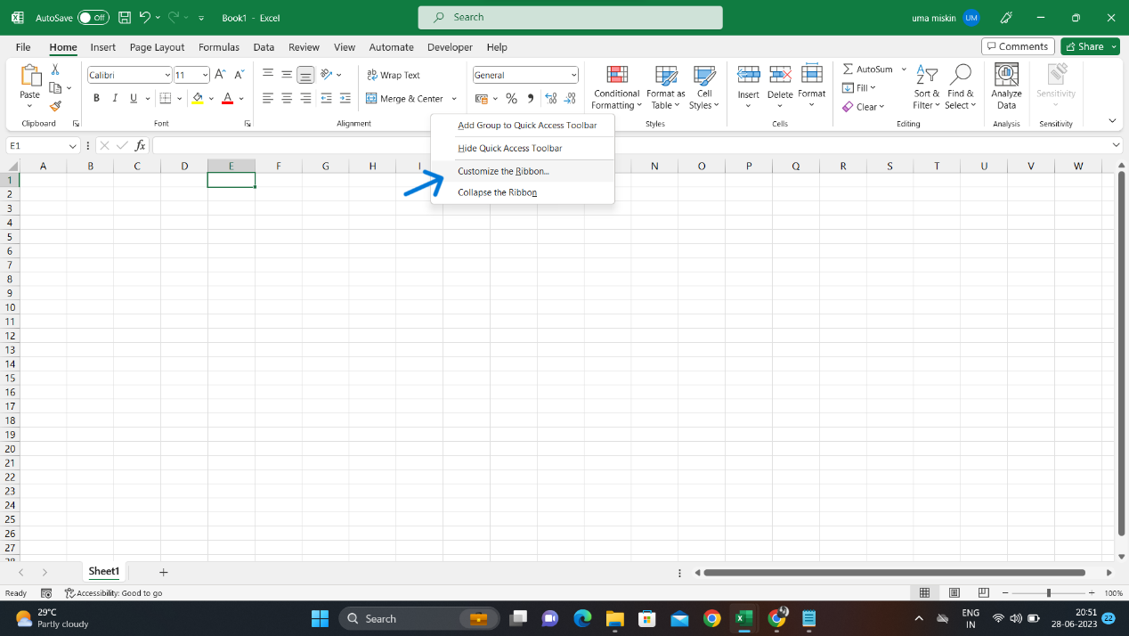
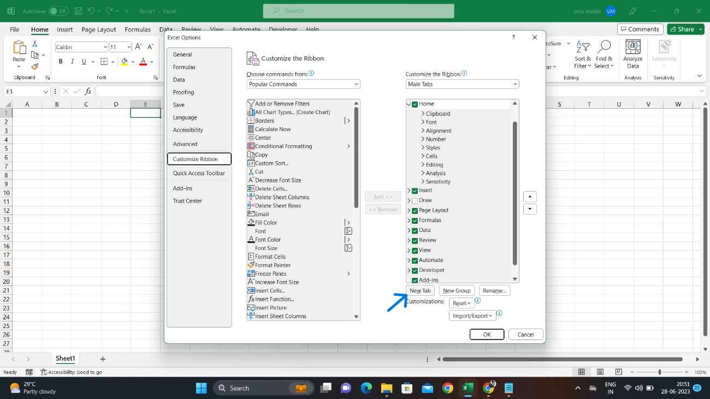
Step 1
Step 2

Step 3
Step 4

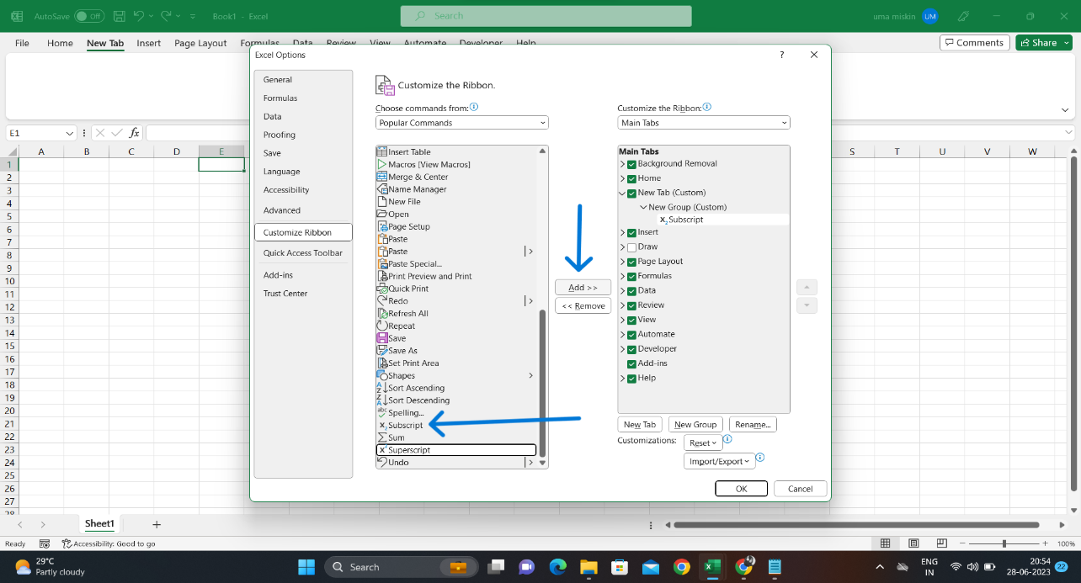
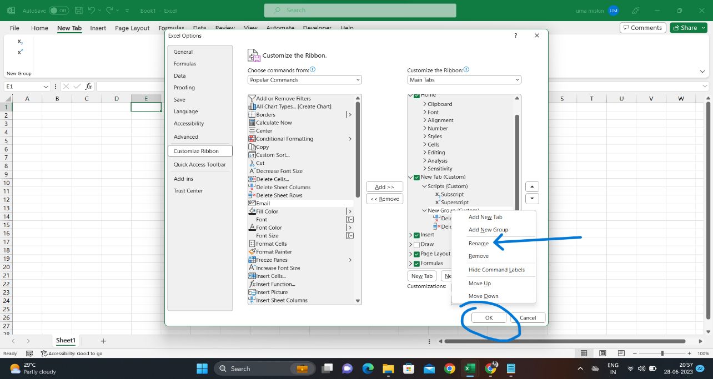

Step 5

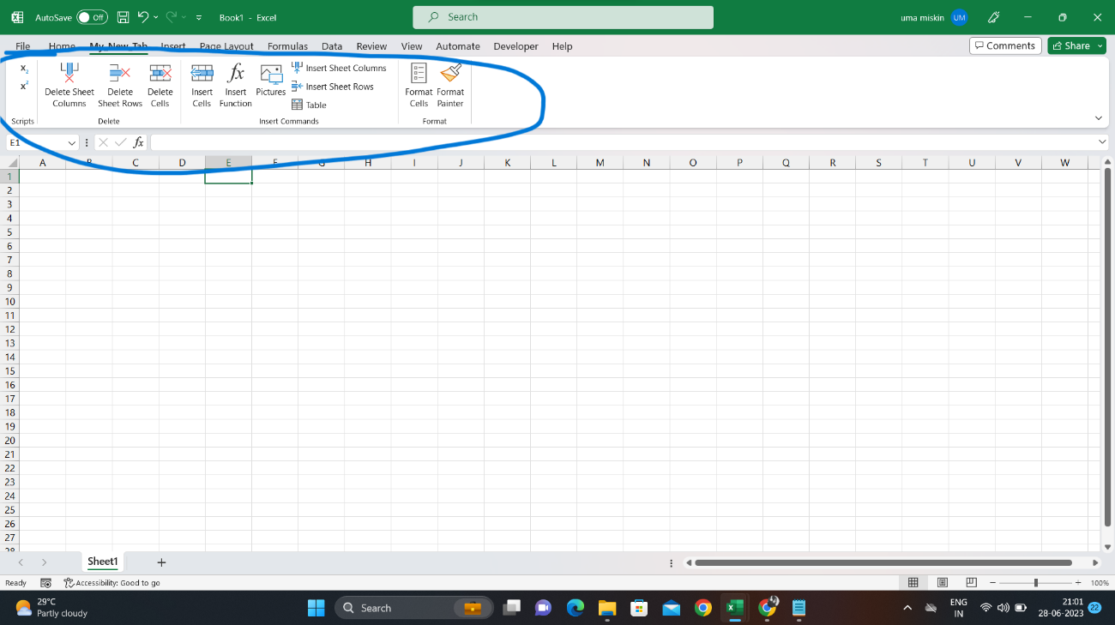

4. Make a list of different shortcut keys that are only connected to formatting with their functions.
- Ctrl+C
Ctrl+V
Ctrl+B
Ctrl+Z
Ctrl+I
Ctrl+Shift+A

5. What distinguishes Excel from other analytical tools?
Excel will use range of formulas to unlock the potential of data, with all features and functions that can be used to clean, aggregate, pivot, and graph data.

